Top 5 categories
TOP 5 CATEGORIES
Column1 | Column2

Category | Score by category |  | Category | Score by cat | Reaction count
Animals | 74965 |  | Animals | 74965 | 1897
Science | 71168 |  | science | 71168 | 1796
Healthy eating | 69339 |  | healthy eating | 69339 | 1717
Technology | 68738 |  | technology | 68738 | 1698
Food | 66676 |  | food | 66676 | 1699
 |  |  | Culture | 66579 | 1676
 |  |  | travel | 64880 | 1647
 |  |  | Cooking | 64756 | 1664
 |  |  | soccer | 57783 | 1457
 |  |  | education | 57436 | 1433
 |  |  | fitness | 55323 | 1395
 |  |  | Studying | 54269 | 1363
 |  |  | dogs | 52511 | 1338
 |  |  | tennis | 50339 | 1328
Month | Number of Posts |  | veganism | 49619 | 1248
May | 2138 |  | public speaking | 49264 | 1217
January | 2126
August | 2114
December | 2092
July | 2070
October | 2056 | Photos gets more engagement
November | 2034 | The sentiment with the highest score is positive
September | 2022
June | 2021
March | 2012
April | 1974
February | 1914

Dashboard
SOCIAL BUZZ ACTIVITY INSIGHT
16
Unique Categories
1,897
Reactions to Animal Category
MAY
Month with the highest posts

 | Score by category
Animals | 74965
Science | 71168
Healthy eating | 69339
Technology | 68738
Food | 66676
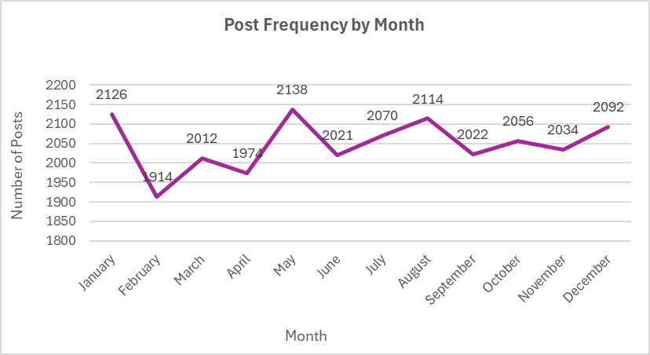
Count of Reaction Type | Column Labels
Row Labels | January | February | March | April | May | June | July | August | September | October | November | December | Grand Total
Animals | 182 | 134 | 143 | 157 | 175 | 173 | 124 | 160 | 161 | 153 | 174 | 161 | 1897
Cooking | 141 | 119 | 142 | 116 | 163 | 156 | 144 | 138 | 126 | 142 | 127 | 150 | 1664
Culture | 152 | 116 | 150 | 135 | 154 | 145 | 149 | 139 | 126 | 137 | 135 | 138 | 1676
dogs | 114 | 105 | 106 | 103 | 114 | 118 | 95 | 107 | 124 | 103 | 126 | 123 | 1338
education | 136 | 111 | 127 | 124 | 113 | 129 | 113 | 126 | 105 | 115 | 108 | 126 | 1433
fitness | 128 | 112 | 105 | 117 | 113 | 108 | 128 | 129 | 112 | 120 | 109 | 114 | 1395
food | 142 | 142 | 139 | 138 | 160 | 124 | 135 | 146 | 131 | 150 | 147 | 145 | 1699
healthy eating | 137 | 129 | 123 | 144 | 163 | 146 | 152 | 142 | 143 | 150 | 138 | 150 | 1717
public speaking | 118 | 99 | 104 | 74 | 106 | 99 | 92 | 103 | 115 | 102 | 115 | 90 | 1217
science | 138 | 129 | 159 | 151 | 144 | 149 | 149 | 182 | 146 | 164 | 141 | 144 | 1796
soccer | 121 | 117 | 117 | 111 | 128 | 114 | 127 | 144 | 118 | 130 | 107 | 123 | 1457
Studying | 118 | 112 | 113 | 105 | 112 | 106 | 112 | 119 | 111 | 109 | 123 | 123 | 1363
technology | 144 | 153 | 137 | 162 | 130 | 142 | 170 | 136 | 141 | 135 | 127 | 121 | 1698
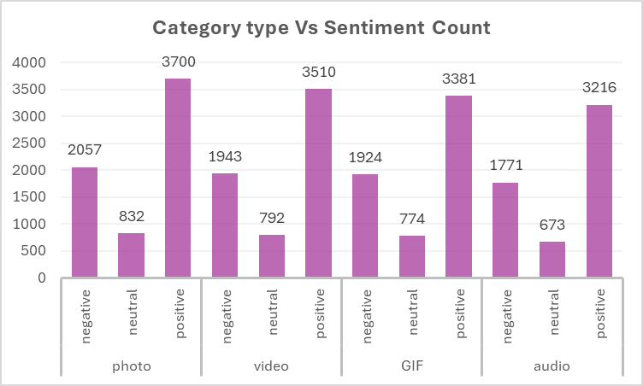
tennis | 117 | 104 | 112 | 102 | 114 | 101 | 117 | 108 | 102 | 114 | 116 | 121 | 1328
travel | 130 | 139 | 140 | 121 | 151 | 114 | 145 | 131 | 151 | 126 | 148 | 151 | 1647
veganism | 108 | 93 | 95 | 114 | 98 | 97 | 118 | 104 | 110 | 106 | 93 | 112 | 1248
Grand Total | 2126 | 1914 | 2012 | 1974 | 2138 | 2021 | 2070 | 2114 | 2022 | 2056 | 2034 | 2092 | 24573

Sheet2
Category Type | (Multiple Items) |  |  |  |  | Row Labels | negative | neutral | positive | (blank) | Grand Total
 |  |  |  |  |  | heart |  |  | 1622 |  | 1622
Count of Category Type |  |  |  |  |  | scared | 1572 |  |  |  | 1572
24573 |  |  |  |  |  | peeking |  | 1559 |  |  | 1559
 |  |  |  |  |  | hate | 1552 |  |  |  | 1552
 |  |  |  |  |  | interested |  |  | 1549 |  | 1549
 |  |  |  |  |  | adore |  |  | 1548 |  | 1548
 |  |  |  |  |  | dislike | 1548 |  |  |  | 1548
 |  |  |  |  |  | want |  |  | 1539 |  | 1539
 |  |  |  |  |  | love |  |  | 1534 |  | 1534
 |  |  |  |  |  | disgust | 1526 |  |  |  | 1526
 |  |  |  |  |  | like |  |  | 1520 |  | 1520
 | Sentiment |  |  |  |  | super love |  |  | 1519 |  | 1519
Category Type | negative | neutral | positive |  |  | indifferent |  | 1512 |  |  | 1512
photo | 2057 | 832 | 3700 |  |  | cherish |  |  | 1501 |  | 1501
video | 1943 | 792 | 3510 |  |  | worried | 1497 |  |  |  | 1497
GIF | 1924 | 774 | 3381 |  |  | intrigued |  |  | 1475 |  | 1475
audio | 1771 | 673 | 3216 |  |  | (blank)

Category type | count
photo | 6589 |  |  | Row Labels | Sum of Score
video | 6245 |  |  | positive | 13807
GIF | 6079 |  |  | negative | 7695
audio | 5660 |  |  | neutral | 3071

Sheet4
Post Frequency by Month

Row Labels | Count of Month Name | January | 2126
January | 2126 | February | 1914
February | 1914 | March | 2012
March | 2012 | April | 1974
April | 1974 | May | 2138
May | 2138 | June | 2021
June | 2021 | July | 2070
July | 2070 | August | 2114
August | 2114 | September | 2022
September | 2022 | October | 2056
October | 2056 | November | 2034
November | 2034 | December | 2092
December | 2092
Grand Total | 24573
 |  |  |  | November | December | (blank) | Grand Total
 |  |  |  | 487 | 478 |  | 5660
 |  |  |  | 492 | 491 |  | 6079
 |  |  |  | 555 | 569 |  | 6589
 |  |  |  | 500 | 554 |  | 6245

 |  |  |  | 2034 | 2092 |  | 24573

Sheet6
Category type Vs Sentiment Count
Category Type | Count of Category Type
photo | 6589
negative | 2057
neutral | 832
positive | 3700
video | 6245
negative | 1943
neutral | 792
positive | 3510
GIF | 6079
negative | 1924
neutral | 774
positive | 3381
audio | 5660
negative | 1771
neutral | 673
positive | 3216
Grand Total | 24573

